Table 1
Photo | Material | Brand | Description | Format Liter | Pcs. | Price RRT | pcs Xpallet | PLT Disp | Plt X Camion | Dimension Pallet
 | Plastic | PiriPù | Piripù Natural Pellet Litter for Cats and Rodents - 6 litres | 6 | 8,000 | 7.80 € | 200 | 40 | 26 | 100 x 120
 | Plastic | PiriPù | Piripù Natural Pellet Litter for Cats and Rodents - 6 litres | 6 | 2,880 | 7.80 € | 48 | 60 | 120 | 80 x 120
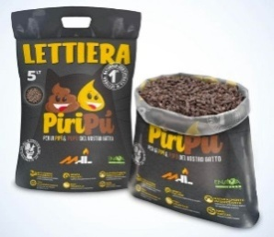 | Plastic | PiriPù | Piripù Natural Pellet Litter for Cats and Rodents - 5 litres | 5 | 20,000 | 6.50 € | 200 | 100 | 26 | 100 x 120
 | Plastic | Pupì | Piripù Natural Pellet Litter for Cats and Rodents - 8 litres | 8 | 7,200 | 10.40 € | 200 | 36 | 26 | 100 x 120
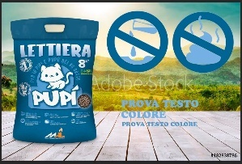 | Plastic | Pupì | Piripù Natural Pellet Litter for Cats and Rodents - 8 litres | 8 | 7,200 | 10.40 € | 200 | 36 | 26 | 100 x 120
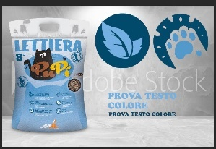 | Plastic | Pupì | Piripù Natural Pellet Litter for Cats and Rodents - 8 litres | 8 | 7,200 | 10.40 € | 200 | 36 | 26 | 100 x 120
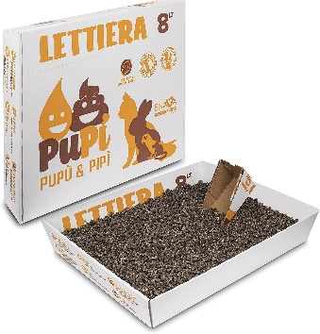 | waterproof cardboard box | Pupì | Pupi Natural Pellet Box Litter for Cats, Rabbits and Rodents - 8 Litres | 8 | 5,760 | 9.60 € | 90 | 64 | 26 | 100 x 120
 |  |  |  |  | 58,240

